Table 24
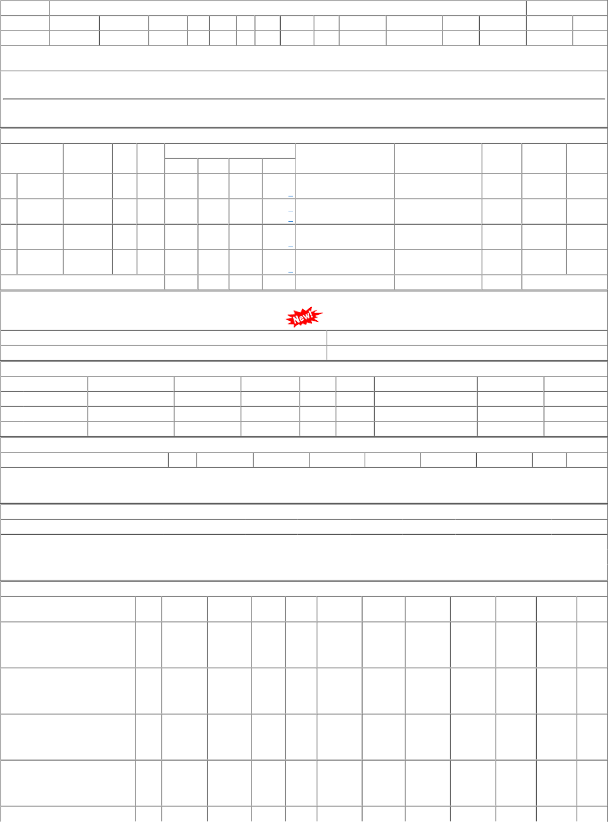
P.O.No.06221301102222 | 001 | PL-CR | 23.18 | 17990 | Nos. 0 | 0 0 27/10/22 | 03/02/23 OP

